Visual
2026-02-26
*기준: 전일 KST 00:00~23:59:59 마감 데이터
*유의: 최근 1~3일 DAU는 처리 지연/정합화로 소폭 변동 가능
*NFT Market의 경우 GA 작업 후 추가 예정

Daily Active User
Device Category
OS Category

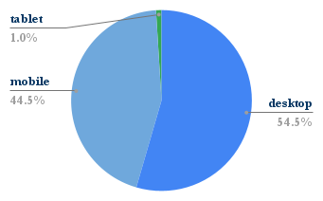
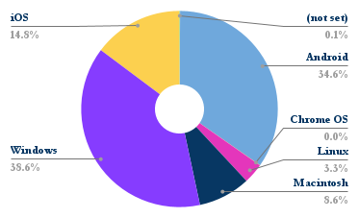

MOLT ARENA
Molt ROYALE
CROSS DEX
CROSS FORGE
CROSSD
CROSS Points
CROSS Explorer
CROSS Rewards
CROSS Wave
NFT Market

Active

New Visit

Visit

